SCRIPT
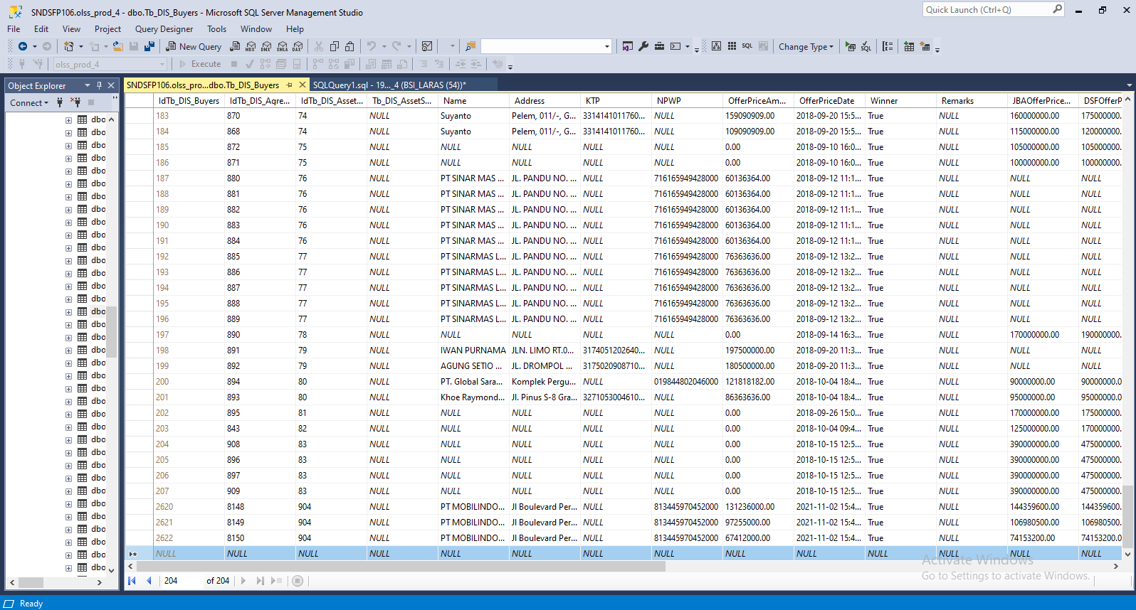
MEMO 00199/COP/10/2021
 | update tb_dis_agreement set BookValue = '115909084' where idtb_dis_agreement = '8146'
 | UPDATE Tb_DIS_Buyers SET OfferPriceAmount = '138648000', JBAOfferPriceAmount = '152512800', DSFOfferPriceAmount = '152512800' where idTb_DIS_Agreement = '8146'
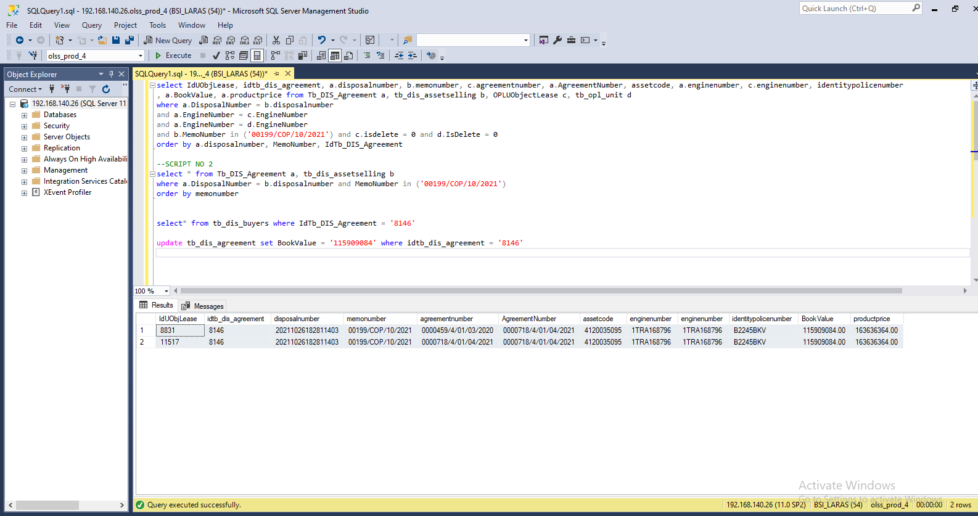
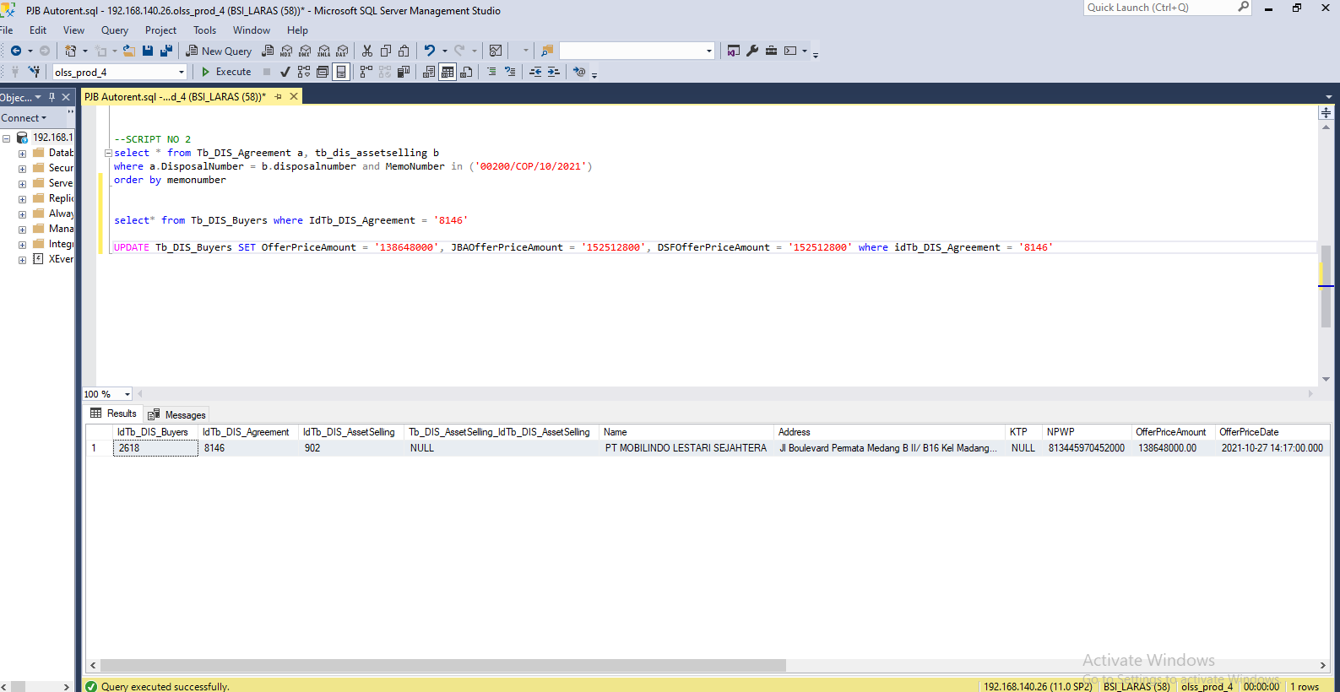

MEMO 00201/COP/11/2021
 | update tb_dis_agreement set BookValue = '109469695' where idtb_dis_agreement = 8148
 | update tb_dis_agreement set BookValue = '82149621' where idtb_dis_agreement = 8149
 | update tb_dis_agreement set BookValue = '57176138' where idtb_dis_agreement = 8150

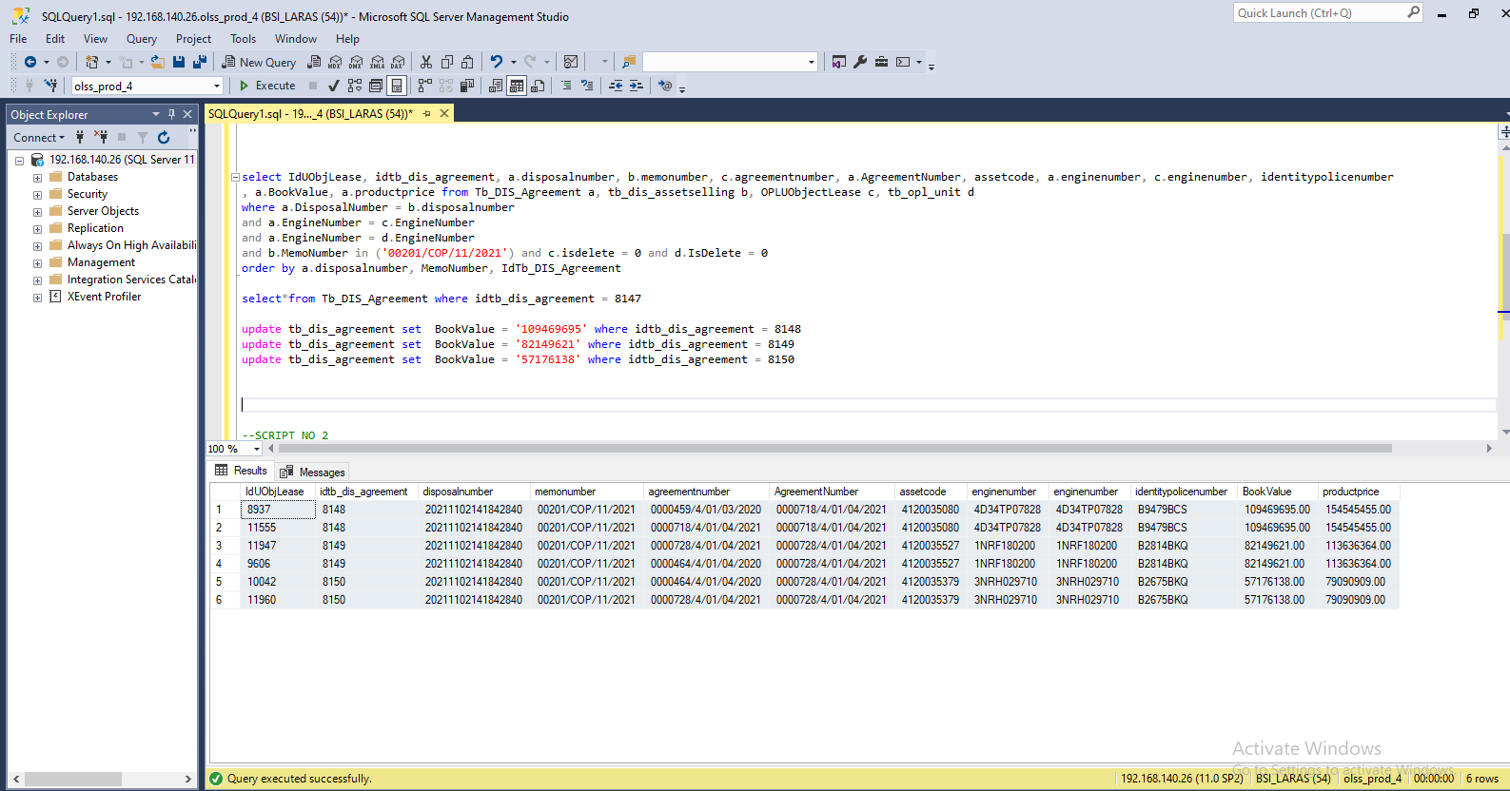

Insert TB_DIS_BUYERS

SCREENSHOOT
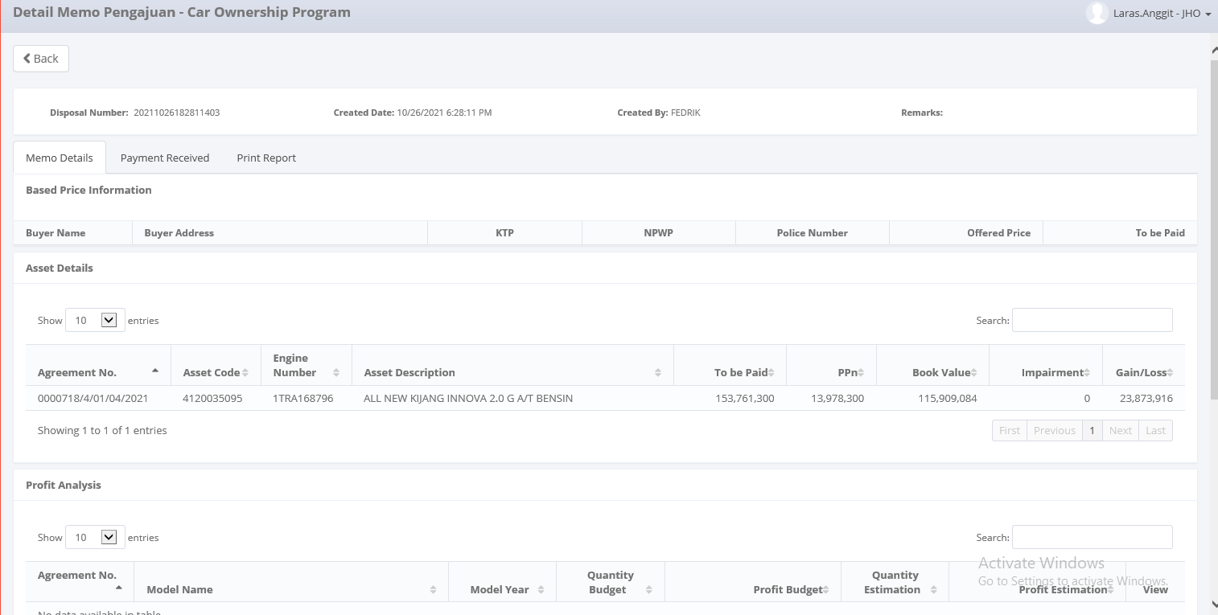
MEMO 00199/COP/10/2021 | MEMO 00201/COP/11/2021
Before


AFTER

